Filter
project name |  | shopping app
tester name |  | Mahmod Yasser
software version |  | edge - safari - chrome - firefox /android 14 - IOS 14.3.2-huawei MIUI14
date |  | 30-9-2024
ID | test suite | test title | pre-condition | test steps | test data | expected result | test status
TC-shopping app-001 | Filter | Verify Category List is Displayed | User is on the shop page. | 1-Navigate to the shop page. 2-Observe the product categories section. | -- | A list of product categories is displayed on the shop page. | pass
TC-shopping app-002 |  | Select a Single Category | User is on the shop page and product categories are visible. | 1- Navigate to the category list. 2-Select one category (e.g., "grocery") | category: "grocery" | The product list updates to show only products in the "grocery" category | pass
TC-shopping app-003 |  | Verify selection of multiple categories | User is on the shop page and product categories are visible. | 1-Navigate to the category list. 2-Select multiple categories (e.g., "Fashion" and "perfume"). | categories : "Fashion" and "perfume" | The product list updates to show products in both "Fashion" and "perfume" | pass
TC-shopping app-004 |  | Verify Product List Updates Correctly | User has selected one or more categories. | 1-Navigate to the product listing page. 2-Select a product category. 3-Verify that the product list updates to display only products belonging to the selected category. | A valid product category. | The product list only shows products belonging to the selected categories. | pass
TC-shopping app-005 |  | Verify Clear Selected Filters | User has selected one or more categories. | 1-Select one or more categories. 2-Click the "Clear Filters" button. | -- | All products are displayed again | pass
TC-shopping app-006 |  | Verify Dynamic Product Count Updates | User has selected one or more categories | 1-Navigate to the product listing page. 2-Select a product category. 3-Verify that the product count displayed on the page accurately reflects the number of products in the selected category. | A valid product category. | The number of products displayed updates to reflect the count of products in the selected category | pass
TC-shopping app-007 |  | Verify Check Visibility of Selected Filters | User has selected one or more categories. | 1-Navigate to the product listing page. 2-Select a product category. 3-Verify that the selected filter is clearly visible to the user. | -- | The selected filters are clearly visible to the user | pass
TC-shopping app-008 |  | Verify Filtering on Mobile View | User is on a mobile device on the shop page | 1-Access the shop page from a mobile device. 2-Select a category. | -- | The product list updates correctly, and the filtering functionality works as intended. | pass
TC-shopping app-010 |  | Select Categories Without Products | User is on the shop page with no filters applied. | 1-Navigate to the category list. 2-Select categories known to have no products. | Categories: "EmptyCategory" | A message is displayed indicating that there are no products available for the selected categories. | pass
TC-shopping app-011 |  | Attempt to Update Without Selecting Categories |  | Navigate to the shop page. | -- | The product list remains unchanged and shows all products | pass
TC-shopping app-012 |  | Attempt to Clear Filters with None Selected |  | 1-Navigate to the shop page. 2-Click the "Clear Filters" button without selecting any categories. | -- | No action occurs, and all products remain displayed. | pass

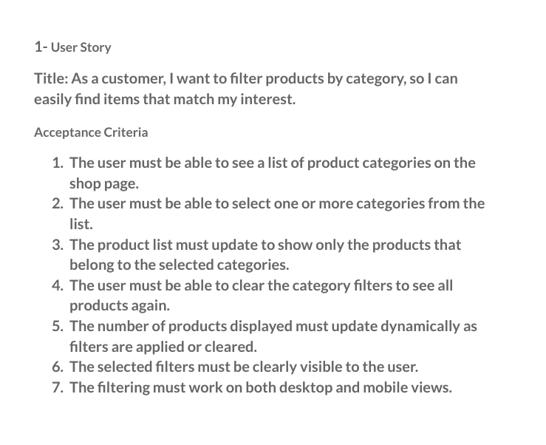

give me a detailed test cases , positive and negative test cases with precondition and test title and test steps and test data and expected result

registration
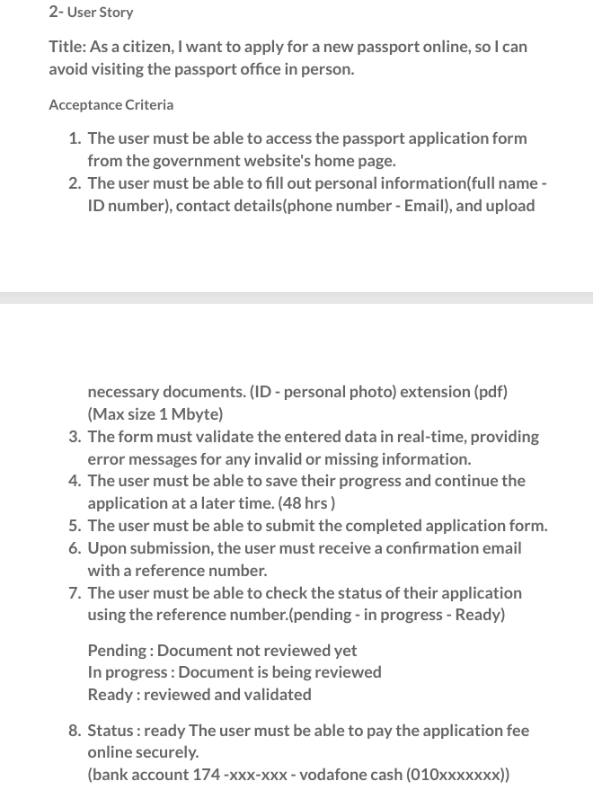
project name |  | government services
tester name |  | Mahmod Yasser
software version |  | edge - safari - chrome - firefox /android 14 - IOS 14.3.2-huawei MIUI14
date |  | 2024-10-10
pre-condition |  | the user has access to the government website's homepage and is ready to start the passport application process.
ID | test suite | test title | test steps | test data | expected result | test status | bug report
TC-registration-001 | registration | Verify Access to Passport Application Form | 1-Navigate to the government website's homepage. 2-Click on the link to the passport application form. | -- | The passport application form is displayed successfully. | pass
TC-registration-002 |  | Fill Out Personal Information | 1-Access the passport application form. 2-Enter valid full name | personal information, 1-full name : Mahmod Yasser Agamy Ibrahem | data saved without errors. | pass
TC-registration-003 |  | Fill Out Personal Information | 1-Access the passport application form. 2-Enter invalid full name | personal information, 1-full name : Mahd123 | An error message is displayed indicating invalid name. | pass
TC-registration-004 |  | Fill Out Personal Information | 1-Access the passport application form. 3- -Enter valid full name 4--Enter valid ID number. | personal information, 1-full name : Mahmod Yasser Agamy Ibrahem 2- ID number:29405032103219 | data saved without errors. | pass
TC-registration-005 |  | Fill Out Personal Information | 1-Access the passport application form. 3- -Enter valid full name 4--Enter invalid ID number. | personal information, 1-full name : Mahmod Yasser Agamy Ibrahem 2- ID number:2940 | " An error message is displayed indicating invalid ID number. " | pass
TC-registration-006 |  | Fill Out Personal Information and Fill Out Contact Details | 1-Access the passport application form. 3- -Enter valid full name 4- -Enter valid ID number. 5- -Enter valid phone number | personal information, 1-full name : Mahmod Yasser Agamy Ibrahem 2- ID number:29405032103219 3-+201119704715 | data saved without errors. | pass
TC-registration-007 |  | Fill Out Personal Information and Fill Out Contact Details | 1-Access the passport application form. 3- -Enter valid full name 4- -Enter valid ID number. 5- -Enter invalid phone number | personal information, 1-full name : Mahmod Yasser Agamy Ibrahem 2- ID number:29405032103219 3-phone number : 01119 | " An error message is displayed indicating invalid phone number " | pass
TC-registration-008 |  | Fill Out Personal Information and Fill Out Contact Details | 1-Access the passport application form. 3--Enter valid full name 4--Enter valid ID number. 5--Enter valid phone number 6--Enter valid email address. | personal information, 1-full name : Mahmod Yasser Agamy Ibrahem 2- ID number:29405032103219 3-+201119704715" 4-email address: ma7.yase@gmail.com | data saved without errors. | pass
TC-registration-009 |  | Fill Out Personal Information and Fill Out Contact Details | 1-Access the passport application form. 3--Enter valid full name 4--Enter valid ID number. 5--Enter valid phone number 6--Enter invalid email address. | personal information, 1-full name : Mahmod Yasser Agamy Ibrahem 2- ID number:29405032103219 3-+201119704715" 4-email address: ma7.yase@gamail@con | " An error message is displayed indicating invalid email address " | pass
TC-registration-010 |  | Fill Out Personal Information , Fill Out Contact Details and Upload Required Documents | 1-Access the passport application form. 3--Enter valid full name 4--Enter valid ID number. 5- -Enter valid phone number 6--Enter valid email address. 7-Upload ID and personal photo in PDF format. | "personal information, 1-full name : Mahmod Yasser Agamy Ibrahem 2- ID number:29405032103219 3-+201119704715"" 4-email address: ma7.yase@gmail.com 5-ID and personal photo in PDF format. less than 1 mb | data saved without errors. | pass
TC-registration-011 |  | Fill Out Personal Information , Fill Out Contact Details and Upload Required Documents | 1-Access the passport application form. 3--Enter valid full name 4--Enter valid ID number. 5- -Enter valid phone number 6--Enter valid email address. 7-Upload ID and personal photo in PDF format.more than 2 mb | "personal information, 1-full name : Mahmod Yasser Agamy Ibrahem 2- ID number:29405032103219 3-+201119704715"" 4-email address: ma7.yase@gmail.com 5-ID and personal photo in PDF format. more than 2 mb | " An error message is displayed indicating invalid the file uploaded is more than 1 mb | pass
TC-registration-012 |  | Save Application Progress | 1-Access the passport application form. 2-Enter valid data 3- full name 4- ID number. 5- phone number 6-email address. 7-Upload ID and personal photo in PDF format. 8-Click on the "Save" button. | "personal information, 1-full name : Mahmod Yasser Agamy Ibrahem 2- ID number:29405032103219 3-+201119704715"" 4-email address: ma7.yase@gmail.com 5-ID and personal photo in PDF format. less than 1 mb | Application progress is saved, and the user receives a confirmation message. | pass
TC-registration-013 |  | Attempt to Save Without Internet | 1-Fill out the application form. 2-Disconnect from the internet and click "Save." | -- | An error message is displayed indicating that progress cannot be saved due to connection issues. | pass
TC-registration-014 |  | Save Application Progress with Missing Required Fields | 1-Access the passport application form. 2-Enter valid data 3- full name 4- ID number. 5- phone number 6-email address. 7-Upload ID and personal photo in PDF format. 8-Leave required fields empty 9-Click on the "Save" button. | "personal information, 1-full name : Mahmod Yasser Agamy Ibrahem 2- ID number:keep field empty 3-+201119704715"" 4-email address: ma7.yase@gmail.com 5-ID and personal photo in PDF format. less than 1 mb | An error message is displayed indicating which fields are required. | pass
TC-registration-015 |  | Resume Application Within Allowed Time | 1-Save the application progress. 2-Wait for a time less than 48 hours. 3-Log back into the system. 4-Access the application form. | -- | The saved application progress is displayed, allowing the user to continue where they left off. | pass
TC-registration-016 |  | Attempt to Resume Application After 48 Hours | 1-Save the application progress. 2-Wait for a time more than 48 hours. 3-Log back into the system. 4-Access the application form. | -- | An error message is displayed indicating that the saved progress has expired, and the user must start a new application. | pass
TC-registration-017 |  | Receive Confirmation Email | 1-Submit the completed application form. 2-Check the email inbox. | -- | The user receives a confirmation email with a reference number. | pass
TC-registration-018 |  | Check Status of Application | 1-Access the application status page. 2-Enter the reference number received via email. Reference Number: "EG123" | -- | The status of the application is displayed (e.g., "pending-inprogress-Ready "). | pass
TC-registration-019 |  | Check Status of Application changed | 1-Access the application status page. 2-Enter the reference number received via email. Reference Number: "EG123" | -- | The status of the application changed from pending to inprogressor Ready . | pass
TC-registration-020 |  | Check Application Status with Invalid Reference Number | 1-Access the application status page. 2-Enter an invalid reference number. invalid Reference Number: "EG123" | -- | An error message is displayed indicating that the reference number is invalid. | pass
TC-registration-021 |  | Check Application Status with canceld Reference Number | 1-Access the application status page. 2-Enter an canceld reference number. Reference Number: "canceld EG123" | -- | An error message is displayed indicating that the application is not active. | pass
TC-registration-022 |  | Pay Application Fee Online | 1-Access the payment section after application status is "Ready." 2-Enter payment details (bank account). | Bank Account: 5078-0310-xxx-xxx- | Payment is processed securely, and a confirmation message is displayed. | pass
TC-registration-023 |  | Pay Application Fee Online | 1-Access the payment section after application status is "Ready." 2-Enter payment details (Vodafone chash). | vodafonecash(010933xxxxx)" | Payment is processed securely, and a confirmation message is displayed. | pass
TC-registration-024 |  | Attempt Payment with Invalid Bank Account | Attempt to pay using an invalid bank account number. invalid Bank Account | -- | An error message is displayed indicating payment processing failure. | pass
TC-registration-025 |  | Attempt Payment with Invalid vodafone cash number | Attempt to pay using an invalid bank account number. invalid vodafone cash number | -- | An error message is displayed indicating payment processing failure. | pass
TC-registration-026 |  | Ensure that data entered by a guest is retained when converting the account from a guest to a user | "1-Fill out the application form. 2- ٍSwich the account from a guest to a user. | -- | The data entered as a guest should remain intact after the account is converted to a user. | pass

booking
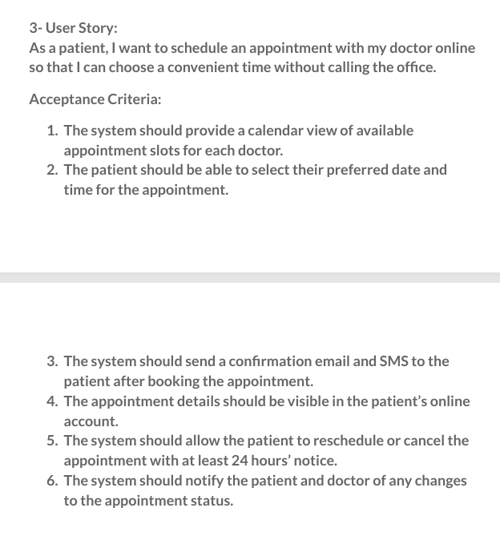
project name | Healthcare environments
tester name | Mahmod Yasser
software version | edge - safari - chrome - firefox /android 14 - IOS 14.3.2-huawei MIUI14
date | 30-9-2024
ID | test suite | test title | pre-condition | test steps | test data | expected result | test status | bug report
TC-booking-001 | booking | Verify calendar view of available appointment slots | The patient is logged into their online account | 1-Navigate to the appointment scheduling section. 2-Select a doctor from the list. 3-View the calendar displaying available slots. | -- | The system displays a calendar with available appointment slots for Dr | pass
TC-booking-002 |  | Schedule an appointment for a selected date and time | The patient is viewing available slots for a doctor. | 1-Click on an available date in the calendar. 2-Select an available time slot. 3-Confirm the appointment. | Dr : Ahmed Date: October 20, 2024; Time: 10:00 AM | The appointment is scheduled, and a confirmation message is displayed. | pass
TC-booking-003 |  | Verify confirmation by email | An appointment has been successfully scheduled. | Check the patient's registered email. | Dr : Ahmed Date: October 20, 2024; Time: 10:00 AM | The patient receives a confirmation email with appointment details. | pass
TC-booking-004 |  | Verify confirmation by SMS | An appointment has been successfully scheduled. | Check the patient's registered phone for SMS. | Dr : Ahmed Date: October 20, 2024; Time: 10:00 AM | The patient receives a confirmation SMS with appointment details. | pass
TC-booking-005 |  | Verify appointment details in patient’s online account. | An appointment has been scheduled. | 1-Log into the patient’s online account. 2-Navigate to the appointments section. 3-View scheduled appointments. | -- | The scheduled appointment is visible with correct details | pass
TC-booking-006 |  | Cancel an appointment with at least 24 hours' notice | An appointment is scheduled. | 1-Log into the patient’s online account. 2-Navigate to the appointments section. 3-Select the scheduled appointment. 4-Click on the cancel option. | -- | he appointment is successfully canceled, and the patient receives a confirmation. | pass
TC-booking-007 |  | Reschedule Appointment More Than 24 Hours in Advance | An appointment is scheduled for a future date. | 1-Log into the patient’s online account. 2-Navigate to the appointments section. 3-Select the scheduled appointment. 4-Choose a new date and time that is at least 24 hours away. 5-Confirm the reschedule. | Original appointment: October 20, 2024, 10:00 AM; New appointment: October 22, 2024, 11:00 AM. | The appointment is successfully rescheduled, and the patient receives a confirmation. | pass
TC-booking-008 |  | Verify notification of appointment status change. | An appointment is scheduled. | 1-Cancel the scheduled appointment 2-Change appointment status to canceled. 2-Monitor email and SMS for notifications. | -- | The patient and doctor receive notifications of the appointment status change. | pass
TC-booking-009 |  | Attempt to schedule an appointment during non-working hours. | The patient is logged into their online account. | 1-Navigate to the appointment scheduling section. 2-Select a doctor. 3-Choose a time slot that is outside working hours. | -- | The system displays an error message indicating that the selected time is unavailable. | pass
TC-booking-010 |  | Attempt to cancel an appointment with less than 24 hours' notice. | The patient is viewing available slots. | 1-Log into the patient’s online account. 2-Navigate to the appointments section. 3-Attempt to cancel the appointment less than 24 hours before the scheduled time. | -- | The system displays an error message indicating that cancellation must occur with at least 24 hours' notice. | pass
TC-booking-011 |  | Attempt to schedule an appointment with a non-existent doctor. | The patient is logged into their online account. | 1-Navigate to the appointment scheduling section. 2-Search for a doctor that does not exist. | -- | The system displays an error message indicating that the doctor is not available. | pass
TC-booking-012 |  | Check Appointment Visibility After Cancellation | An appointment has been scheduled and then canceled | 1-Log into the patient’s online account. 2-Navigate to the appointments section. 3-Check for the canceled appointment. | -- | The canceled appointment is not visible in the appointments section. | pass
TC-booking-013 |  | Appointment Scheduling Without Login | Patient is not logged in. | Attempt to schedule an appointment without logging in. |  | System redirects the patient to the login page. | pass
TC-booking-014 |  | Attempt to Schedule an Appointment with Invalid Date | The patient is logged into their online account. | 1-Navigate to the appointment scheduling section. 2-Select a past date. 3-Choose a time slot and attempt to confirm the appointment. | Date: October 15, 2024; Time: 10:00 AM. | The system displays an error message indicating that the selected date is invalid. | pass
TC-booking-015 |  | Schedule Appointment with Network Issues | The patient is logged into their online account. | 1-turn off a network while attempting to schedule an appointment. | -- | The system displays an error message indicating that the appointment could not be scheduled due to network issues. | pass

